BW Income Statement
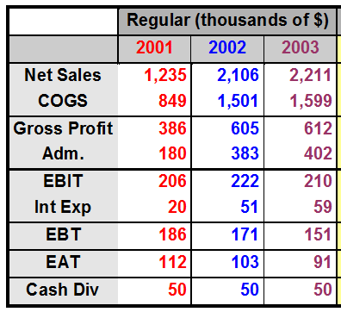
 | Basket Wondors'
Comparative Income Statement

BW Balance sheet
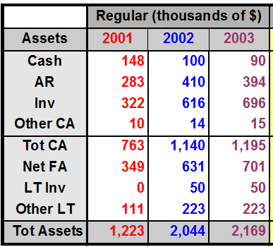
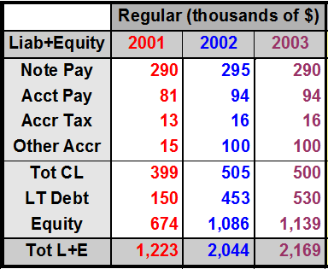
 |  | Basket Wondors'
 | Comparative Balance Sheet
Assets |  |  | Liability and Owner's Equity

Profitability Ratios
 | 5. Profitability Ratios: |  |  | A group of ratios that shows the profitability of a firm.
 | Types of Profitability Ratios:
 | 1. Gross profit margin Ratio
 | 2. Net Profit Margin Ratio
 | 3. Return on Investment (ROI)
 | 4. Return on Equity (ROE)
$$\frac{Gross Profit}{Net Sale}$$
1 |  | Gross Profit Margin = |  |  |  | Indicates the efficiency of operations and the firm pricing policy.

 | (Thousands of Dollars)
Years | Gross Profit | Net Sale | Gross Profit Margin |  |  | Table for Trend Analysis through Graph
2001 | $386 | $1,235 | 31% |  |  | Gross profit margin | Industry Averages
2002 | $605 | $2,106 | 29% |  | 2001 | 31 | 27.6
2003 | $612 | $2,211 | 28% |  | 2002 | 29 | 30.8
 |  |  |  |  | 2003 | 28 | 31.1

$$\frac{Net Profit after taxes}{Net Sale}$$
2 |  | Net Profit Margin = |  |  |  | Indicates the firm profitability after taking accounts all the expenses and income taxes.

 |  |  | Years | Net Profit After taxes | Net Sale | Net Profit Margin
 |  |  | 2001 | $112.00 | $1,235.00 | 9.07%
 |  |  | 2002 | $103.00 | $2,106.00 | 4.89%
 |  |  | 2003 | $91.00 | $2,211.00 | 4.12%

$$\frac{Net Profit after taxes}{Total Assets}$$
3 |  | Return on Investment (ROI) = |  |  |  | Indicates profitability on the assets of the firm after all expenses and taxes.

 |  | Years | Net Profit After taxes | T. Assets | ROI
 |  | 2001 | $112.00 | $1,223.00 | 9.16%
 |  | 2002 | $103.00 | $2,044.00 | 5.04%
 |  | 2003 | $91.00 | $2,169.00 | 4.20%

$$\frac{Net Profit after taxes}{Shareholders Equity}$$
4 |  | Return on Equity (ROE) = |  |  |  | Indicates the profitability to the shareholders of the firm (after all expenses and taxes)

 |  |  | Years | Net Profit After taxes | Shareholders Equity | ROE
 |  |  | 2001 | $112.00 | $674.00 | 16.6%
 |  |  | 2002 | $103.00 | $1,086.00 | 9.5%
 |  |  | 2003 | $91.00 | $1,139.00 | 8.0%

